Sheet1
Time Complexity Analysis Project

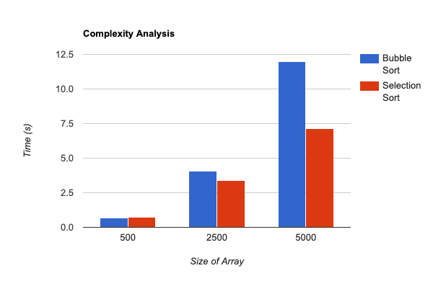
Algorithm | Size of Array | Time (s)
Bubble | 500 | 0.655
Selection | 500 | 0.724

Bubble | 2500 | 4.064
Selection | 2500 | 3.066

Bubble | 5000 | 11.984
Selection | 5000 | 7.111

